Overview
Moodboards — overview
Three material and furniture moodboards for the same reception / lounge view. Each has its own sheet with images, IDs, categories, locations, appearance, colour and finish.

Render | Moodboard | Summary
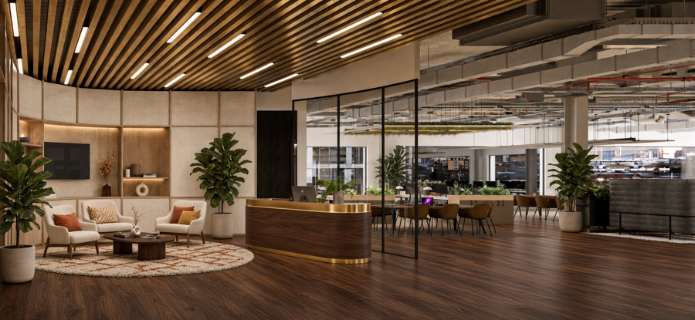 | Moodboard A — Walnut & Cream (18 items) | Walnut plank floor, cream fabric panels, oak niches, walnut and brass reception desk
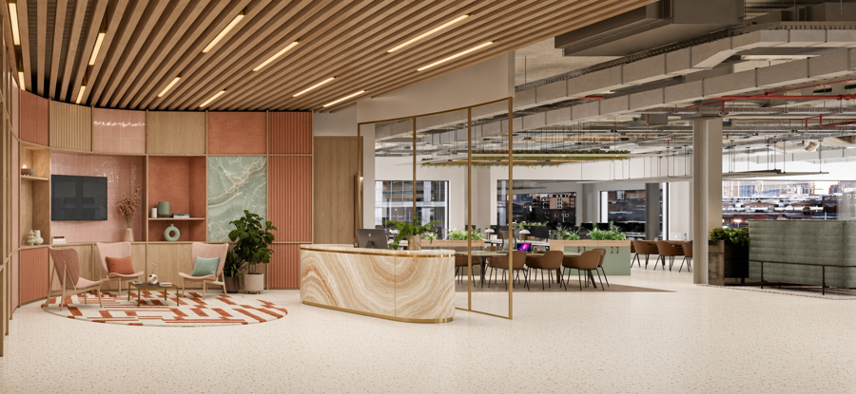 | Moodboard B — Coral & Onyx (22 items) | Cream terrazzo floor, coral and terracotta wall panels, green onyx feature panel, onyx and brass reception desk
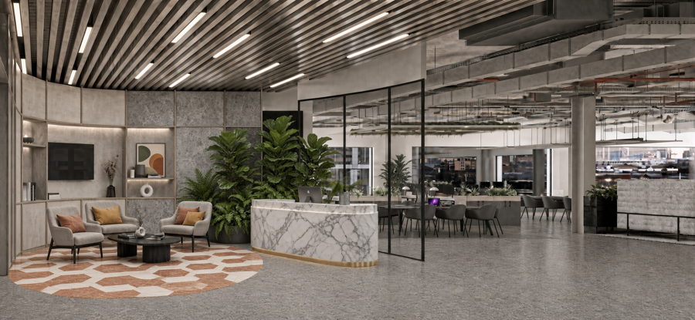 | Moodboard C — Grey & Marble (18 items) | Polished grey terrazzo floor, stone-look grey panels, white marble and brass reception desk

A - Walnut & Cream
Moodboard A — Walnut & Cream
Walnut plank floor, cream fabric panels, oak niches, walnut and brass reception desk. Names are descriptive; brand / supplier to be confirmed.

Image | ID | Reference name | Category | Location | Appearance | Colour / tone | Finish | Brand / supplier | Notes
 | CL-01 | Timber slat ceiling | Ceiling | Reception / lounge | Linear timber slats with slim dark gaps; gently curved run; recessed white LED strips | Warm honey walnut | Satin timber | To confirm
 | CL-02 | Exposed services ceiling | Ceiling | Open-plan workspace | Exposed ducts wrapped in grey acoustic felt; visible cable trays and red sprinkler pipework | Concrete grey, red pipework | Matt / felted | To confirm
 | LT-01 | Linear LED light | Lighting | Reception / lounge | Slim linear luminaire integrated in the slat ceiling | White | Opal diffuser | To confirm
 | FL-01 | Walnut plank floor | Flooring | Whole floor | Long wide planks with pronounced natural grain | Deep walnut brown | Satin | To confirm
 | WL-01 | Cream fabric wall panels | Wall | Lounge wall | Woven linen-look acoustic panels set between slim oak battens | Warm cream / oatmeal | Matt, woven | To confirm
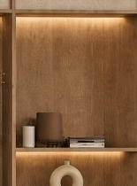 | WL-02 | Oak veneer niche with LED shelf | Joinery | Lounge wall | Open shelf niche; oak veneer back panel; warm LED strip above shelf | Light oak | Matt veneer | To confirm
 | DR-01 | Dark timber door | Door | Lounge / entrance | Flush full-height door; no visible handle | Near-black | Stained matt | To confirm
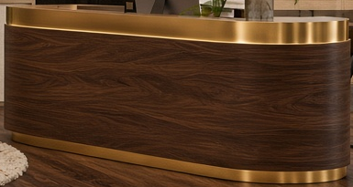 | CN-01 | Walnut reception desk | Joinery | Reception | Oval plan desk in figured walnut; polished brass top band and base trim | Dark walnut, brass | Satin veneer, polished brass | To confirm
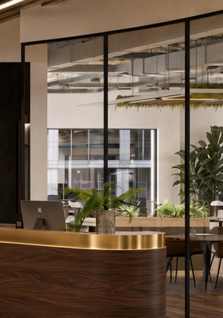 | GL-01 | Black-framed glass partition | Glazing | Reception / workspace | Slim steel frame; clear glazing; curved corner | Black, clear | Powder-coated steel | To confirm
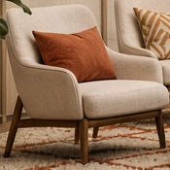 | FN-01 | Cream armchair, rust cushion | Furniture | Lounge | Rounded low-back armchair; textured upholstery; walnut legs; rust cushion | Cream, rust | Bouclé / textured fabric | To confirm
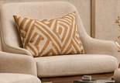 | FN-02 | Cream armchair, patterned cushion | Furniture | Lounge | Rounded low-back armchair; walnut legs; geometric cream and ochre cushion | Cream, ochre | Textured fabric | To confirm
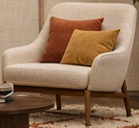 | FN-03 | Cream armchair, mustard cushion | Furniture | Lounge | Rounded low-back armchair; walnut legs; rust and mustard cushions | Cream, rust, mustard | Textured fabric | To confirm
 | FN-04 | Walnut oval coffee table | Furniture | Lounge | Oval top on two cylindrical pedestal bases | Dark walnut | Satin veneer | To confirm
 | FN-05 | Tan shell dining chair | Furniture | Meeting / dining | Moulded shell seat; slim black metal legs | Cognac tan | Leather-look upholstery | To confirm
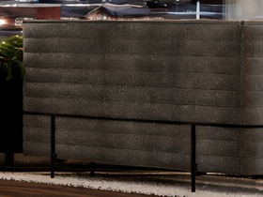 | FN-06 | Grey ribbed booth sofa | Furniture | Workspace booth | Horizontally channelled acoustic felt; black metal frame | Dark grey | Felted textile | To confirm
 | RG-01 | Round shag rug | Rug | Lounge | Circular high-pile shag; terracotta diamond line pattern | Cream, terracotta | High pile wool | To confirm
 | PL-01 | Fiddle-leaf fig, cream pot | Planting | Beside reception | Tall tree; large glossy leaves; cylindrical stone-look planter | Green, cream | Natural / textured pot | To confirm
 | PL-02 | Fiddle-leaf fig, large pot | Planting | Lounge entrance | Large glossy leaves; wide cylindrical stone-look planter | Green, cream | Natural / textured pot | To confirm

B - Coral & Onyx
Moodboard B — Coral & Onyx
Cream terrazzo floor, coral and terracotta wall panels, green onyx feature panel, onyx and brass reception desk. Names are descriptive; brand / supplier to be confirmed.

Image | ID | Reference name | Category | Location | Appearance | Colour / tone | Finish | Brand / supplier | Notes
 | CL-01 | Light oak slat ceiling | Ceiling | Reception / lounge | Linear oak slats with slim gaps; gently curved run; brass-tone LED strips | Light natural oak | Matt timber | To confirm
 | CL-02 | Exposed services ceiling | Ceiling | Open-plan workspace | Exposed ducts wrapped in grey acoustic felt; visible cable trays and red sprinkler pipework | Concrete grey, red pipework | Matt / felted | To confirm
 | LT-01 | Brass linear LED light | Lighting | Reception / lounge | Slim linear luminaire in the slat ceiling with warm gold-tone housing | Warm white, brass | Satin metal | To confirm
 | FL-01 | Cream terrazzo floor | Flooring | Whole floor | Seamless terrazzo with fine multi-coloured chips | Cream, beige and terracotta chips | Honed | To confirm
 | WL-01 | Coral fluted wall panel | Wall | Lounge wall | Vertical ribbed / fluted panel between oak battens | Coral / terracotta | Matt painted | To confirm
 | WL-02 | Terracotta plaster panel | Wall | Lounge wall | Flat plaster-effect panel with soft mottled texture | Terracotta | Matt lime-wash | To confirm
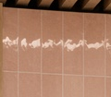 | WL-03 | Pink glazed tile | Wall | Lounge wall | Small square tiles with uneven hand-made gloss | Blush pink | Gloss glaze | To confirm
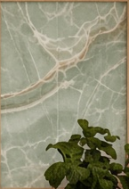 | WL-04 | Green onyx feature panel | Wall | Lounge wall | Translucent onyx with white and cream veining | Pale jade green | Polished stone | To confirm
 | WL-05 | Fluted oak panel | Joinery | Lounge wall | Narrow vertical oak battens on a flat backing | Light oak | Matt veneer | To confirm
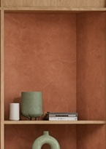 | WL-06 | Terracotta niche with shelf | Joinery | Lounge wall | Open niche painted terracotta; oak shelf; styling objects | Terracotta, oak | Matt paint | To confirm
 | DR-01 | Oak veneer door | Door | Lounge / entrance | Flush full-height door; vertical brass pull handle | Light oak | Matt veneer | To confirm
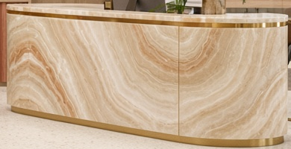 | CN-01 | Onyx reception desk | Joinery | Reception | Oval plan desk in banded honey onyx with slim brass edge and base trim | Honey / cream, brass | Polished stone | To confirm
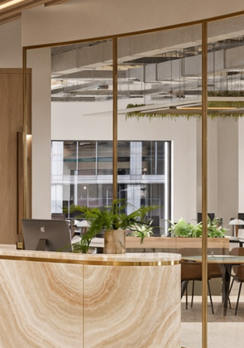 | GL-01 | Brass-framed glass partition | Glazing | Reception / workspace | Slim brass frame; clear glazing; curved corner | Brass, clear | Satin brass | To confirm
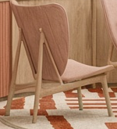 | FN-01 | Blush lounge chair | Furniture | Lounge | Sculpted high-back lounge chair; oak frame | Blush pink | Velvet / fabric | To confirm
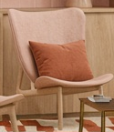 | FN-02 | Blush lounge chair, rust cushion | Furniture | Lounge | Sculpted back lounge chair; oak legs; rust cushion | Blush pink, rust | Velvet / fabric | To confirm
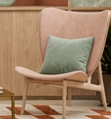 | FN-03 | Blush lounge chair, mint cushion | Furniture | Lounge | Shell-back lounge chair; oak legs; mint cushion | Blush pink, mint | Velvet / fabric | To confirm
 | FN-04 | Slim wood coffee table | Furniture | Lounge | Small rectangular top; slim dark legs | Dark wood, brass | Satin | To confirm
 | FN-05 | Tan shell dining chair | Furniture | Meeting / dining | Moulded shell seat; slim black metal legs | Cognac tan | Leather-look upholstery | To confirm
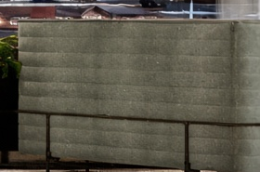 | FN-06 | Sage ribbed booth sofa | Furniture | Workspace booth | Horizontally channelled acoustic felt; black metal frame | Sage green | Felted textile | To confirm
 | JN-01 | Sage green joinery | Joinery | Workspace | Base cabinets under timber-topped planter benches | Sage green, light oak | Matt paint | To confirm
 | RG-01 | Terracotta stripe rug | Rug | Lounge | Circular; broken horizontal stripes | Cream, terracotta | Flat weave wool | To confirm
 | PL-01 | Fiddle-leaf fig, stone pot | Planting | Lounge | Glossy leaves; cream cylindrical planter | Green, cream | Natural / textured pot | To confirm

C - Grey & Marble
Moodboard C — Grey & Marble
Polished grey terrazzo floor, stone-look grey panels, white marble and brass reception desk. Names are descriptive; brand / supplier to be confirmed.

Image | ID | Reference name | Category | Location | Appearance | Colour / tone | Finish | Brand / supplier | Notes
 | CL-01 | Pewter slat ceiling | Ceiling | Reception / lounge | Linear metal-toned slats with slim gaps; curved run; white LED strips | Pewter / warm grey | Brushed metallic | To confirm
 | CL-02 | Exposed services ceiling | Ceiling | Open-plan workspace | Exposed ducts wrapped in grey acoustic felt; visible cable trays and red sprinkler pipework | Concrete grey, red pipework | Matt / felted | To confirm
 | LT-01 | Linear LED light | Lighting | Reception / lounge | Slim linear luminaire in the slat ceiling | White | Opal diffuser | To confirm
 | FL-01 | Grey polished terrazzo floor | Flooring | Whole floor | Seamless terrazzo with fine aggregate; reflective surface | Mid concrete grey | Polished | To confirm
 | WL-01 | Grey stone-look wall panel | Wall | Lounge wall | Mottled stone-effect panel with fine veining and slim timber battens | Charcoal / mid grey | Matt | To confirm
 | WL-02 | Pale grey plaster panel | Wall | Lounge wall | Soft plaster-effect panels with slim battens; light wash from niche LEDs | Pale warm grey | Matt lime-wash | To confirm
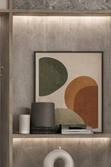 | WL-03 | Grey niche with LED shelf | Joinery | Lounge wall | Open shelf niche with warm LED strip above; styling objects | Warm grey | Matt paint | To confirm
 | AR-01 | Abstract art print | Accessory | Lounge wall | Framed abstract print with overlapping organic shapes | Olive, terracotta, cream | Print in slim frame | To confirm
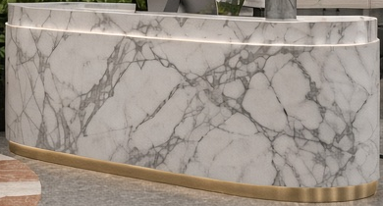 | CN-01 | White marble reception desk | Joinery | Reception | Oval plan desk in white marble with grey veining; brass base band; backlit top edge | White / grey, brass | Polished stone | To confirm
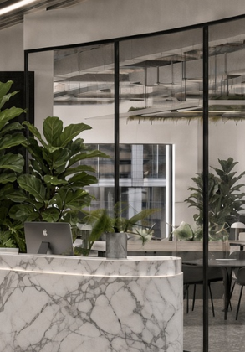 | GL-01 | Black-framed glass partition | Glazing | Reception / workspace | Slim steel frame; clear glazing; curved corner | Black, clear | Powder-coated steel | To confirm
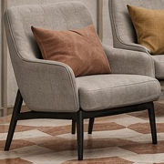 | FN-01 | Grey armchair, terracotta cushion | Furniture | Lounge | Rounded low-back armchair; black legs; terracotta cushion | Warm grey, terracotta | Woven fabric | To confirm
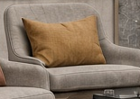 | FN-02 | Grey armchair, ochre cushion | Furniture | Lounge | Rounded low-back armchair; black legs; ochre cushion | Warm grey, ochre | Woven fabric | To confirm
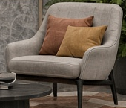 | FN-03 | Grey armchair, two cushions | Furniture | Lounge | Rounded low-back armchair; black legs; terracotta and ochre cushions | Warm grey, terracotta, ochre | Woven fabric | To confirm
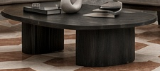 | FN-04 | Black oval coffee table | Furniture | Lounge | Oval top on two cylindrical pedestal bases | Black / charcoal | Matt | To confirm
 | FN-05 | Dark grey shell dining chair | Furniture | Meeting / dining | Moulded shell seat; slim black metal legs | Charcoal grey | Upholstered fabric | To confirm
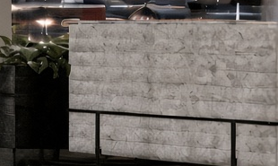 | FN-06 | Board-formed concrete-look booth | Furniture | Workspace booth | Horizontal board-formed texture; black metal frame | Light concrete grey | Textured finish | To confirm
 | RG-01 | Hexagon tile inlay | Flooring | Lounge | Circular inlay of elongated hexagon tiles in alternating colours | Terracotta, cream | Honed stone | To confirm
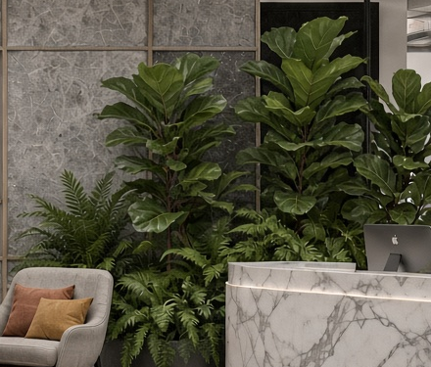 | PL-01 | Fiddle-leaf fig and fern planting | Planting | Beside reception | Cluster of large glossy figs with ferns in a wide dark planter | Green, black | Natural | To confirm

